MSRP
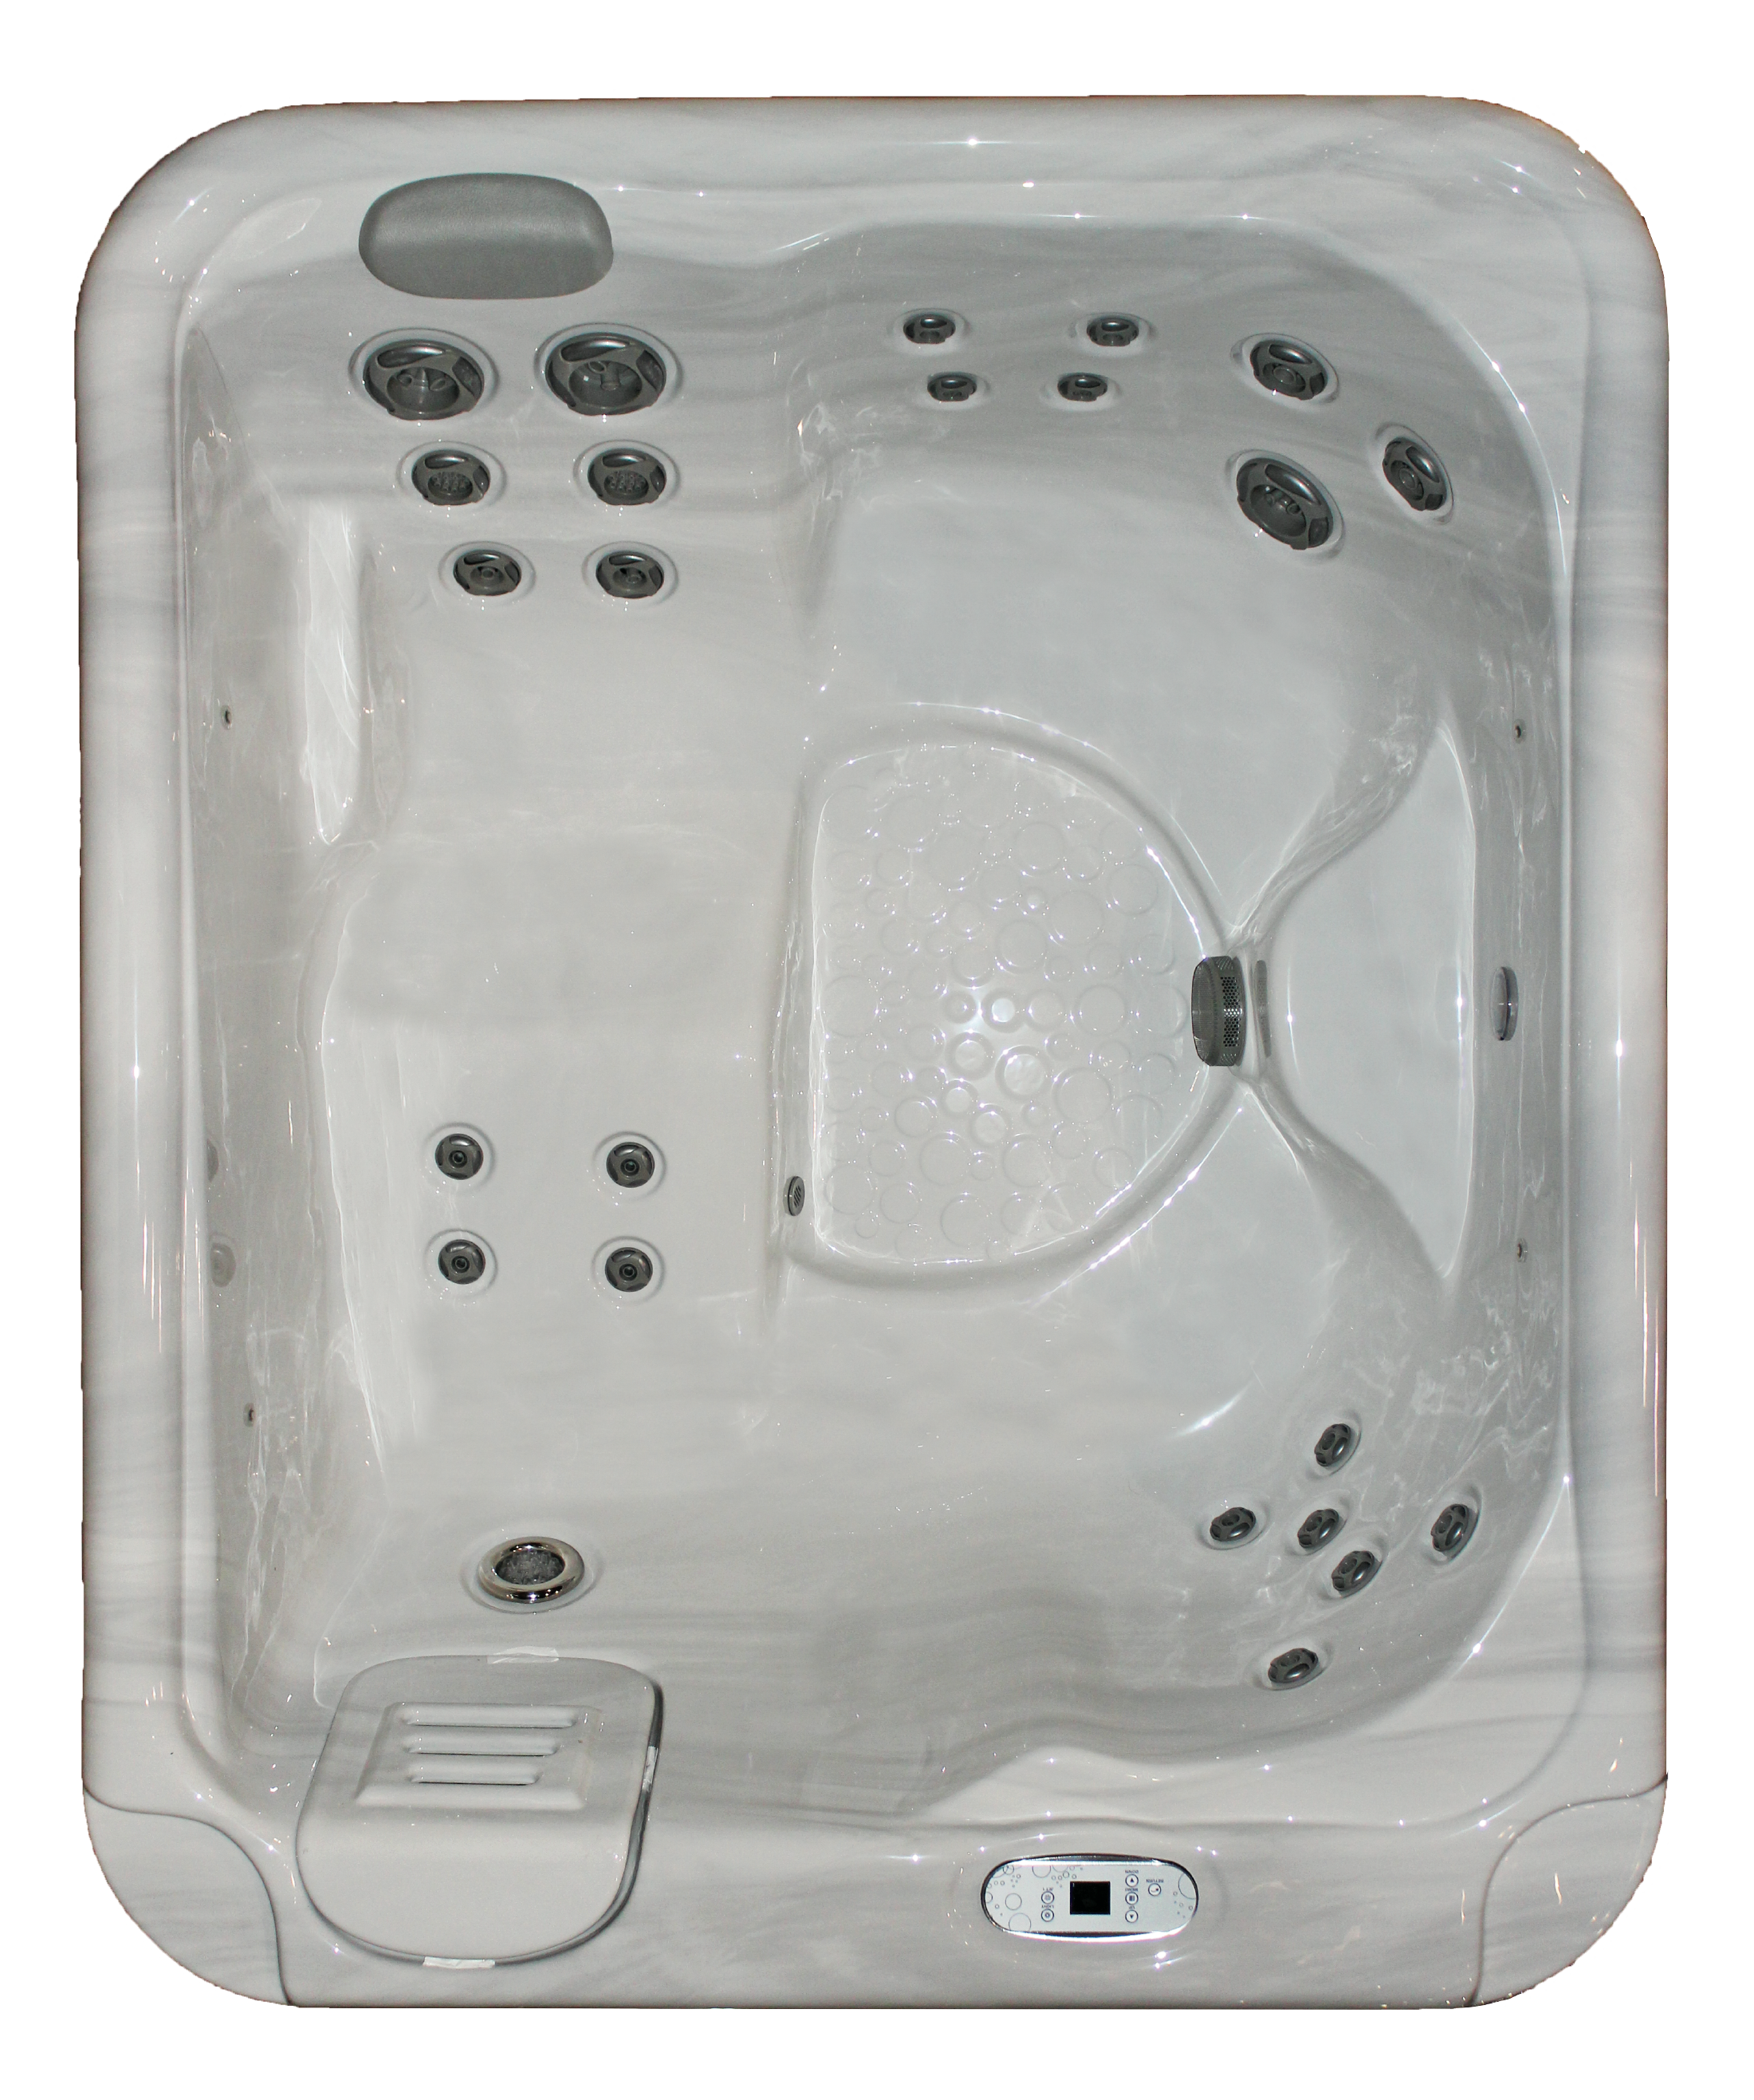 |  | A24 |  |  | Cool Place to Buy Spas Inc.
 |  |  |  |  | Spa Land, NY 12345
 |  |  |  |  | (555) 555-5555

 | SPECIAL EDITION MODEL SPECIFICATIONS |  |  |  | STANDARD PERFORMANCE FEATURES
 | MSRP | $2,650.00 |  |  | Multiple Speed Jet Pump
 | DEALER PRICE | $$$$$ |  |  | Versa-Flo™ Jetting
 |  |  |  |  | DuoTone™ Trim
 | Special Ed. Spa | A24 | 67"x 80"x 29" 250 gal.
 | Serial Number | 12345 |  |  | STANDARD MAINTENANCE FEATURES
 |  |  |  |  | Lifestyle Circulation Cycles
 | Shell Color | Silver Marble |  |  | Antimicrobial Filtration
 | Exterior Color | Gray |  |  | CD Ozone Generator
 | Spa Cover Color | Gray |  |  | Automated Purge Cycle
 | Trim Color | DuoTone™ Gray |  |  | Whisper Screen™ Protection
 | Jet Pump GPM | 195 |  |  | Low Maintenance Exterior
 | Number of Jets | 24 |  |  | Simple Drain™ System

 | OPTIONAL FEATURES |  |  |  | STANDARD OPERATIONAL FEATURES
 | 220V GFCI Disconnect Box |  |  | 0.00 | Auto Defaults
 | Full Foam Insulation |  |  | 0.00 | Freeze Protection and Summer Modes
 | *feature |  |  | 0.00 | Saratoga LED Lighting
 | *feature |  |  | 0.00 | Automated Timeouts
 | *feature |  |  | 0.00 | Digital Controls
 | *feature |  |  | 0.00
 | *feature |  |  | 0.00 | STANDARD OWNERSHIP FEATURES
 | TOTAL |  |  | 0.00 | Thermal Wrap™ Insulation System
 |  |  |  |  | Deluxe Spa Cover
 | PRICING |  |  |  | Horizontal Mount Heater
 | SPECIAL ORDER |  | 0.00 |  | TriLayer™ Acrylic Shell
 | IN-STOCK |  | 0.00 |  | ProTegrity™ Rigidizing System
 | YOUR PRICE |  | 0.00 |  | SE Guard Low Maintenance Exterior
 | SUB-TOTAL |  | 0.00 |  | Sealed Base
 | TAX % |  | 0.00 |  | Ownership Plan 7/3/2

 | TOTAL PRICE |  | 0.00

 |  |  |  |  | Customer Name:
 |  |  |  |  | Address:
 | Sales Person: |  |  |  | City:
 | Date: |  |  |  | Phone:
 | Quote Good Through:

